standard_user
Bug ID | Test Case ID | Description | Steps to reproduce | Expected Result | Actual Result | Severity | Priority | Screenshot
SU_BUG_01 | TC_CO_0001 | User was able to proceed to Checkout: Your information when cart is empty | 1. Click the shopping cart icon on the top right part of the navigation bar 2. Click "Checkout" button | 1 .User should not be able to proceed to Checkout: Your Information page | 1. User was able to proceed to Checkout: Your Information even if cart is empty. | Critical | P0 (Critical) | 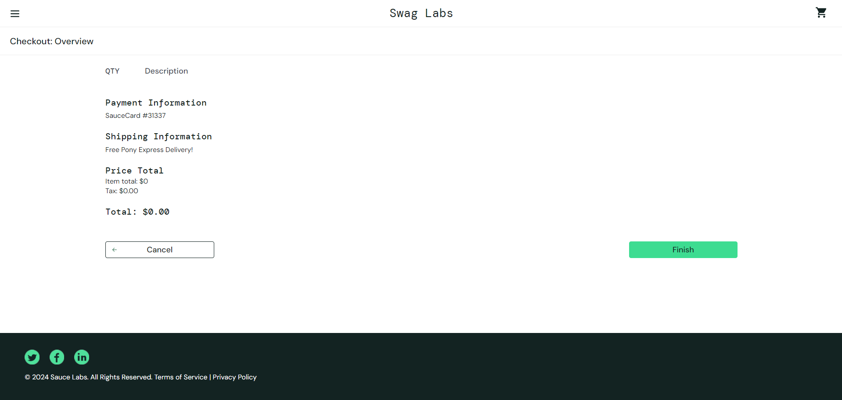
SU_BUG_02 | TC_CO_0003 | System accepts invalid data inputs in Checkout: Your information form | 1. Click the shopping cart icon on the top right part of the navigation bar 2. Click "Checkout" button 3. Fill out the form(Checkout: Your Information) using test data 4. Click "Continue" | 1. System shall reject invalid inputs from all input fields. 2. System shall display error message | 1. System accepted invalid data inputs 2. System did not display error message | Critical | P0 (Critical)

problem_user
Bug ID | Test Case ID | Description | Steps to reproduce | Expected Result | Actual Result | Severity | Priority | Screenshot
PU_BUG_0001 | TC_VPD_0001 TC_VPD_0002 TC_VPD_0003 | 1. A different product is shown in the "View full product details" page 2. Product item "Sauce Labs Bike Light" is not found | 1. Go to product list page or homepage 2. Choose a product to view click the product image or product name | 1. User should be directed to this url: https://www.saucedemo.com/inventory-item.html?id=4, where "id" refers to the product id. 2. Product details (image, product name, description and price) displayed on the "View Full Product Details" page should match the details of the product clicked. | 1. System shows a different product from what the user clicked 2. Product details are different to the details from the product clicked in the product list page | Major | P1 (Medium) | 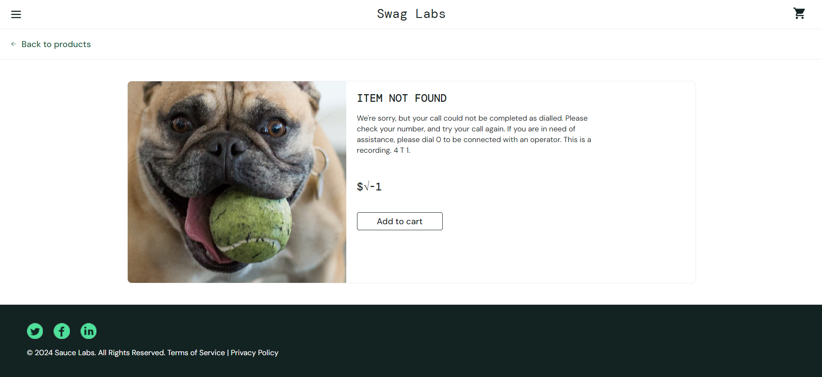
PU_BUG_0002 | TC_VPD_0004 | All product images in product list page or homepage are replaced by a dog picture. | 1. Go to product list page or homepage 2. Verify if the product image is relevant to the product name | 1. User should see a relevant product image based on the product name and description | 1. Product image is not relevant to the product name | Minor | P1 (Medium) | 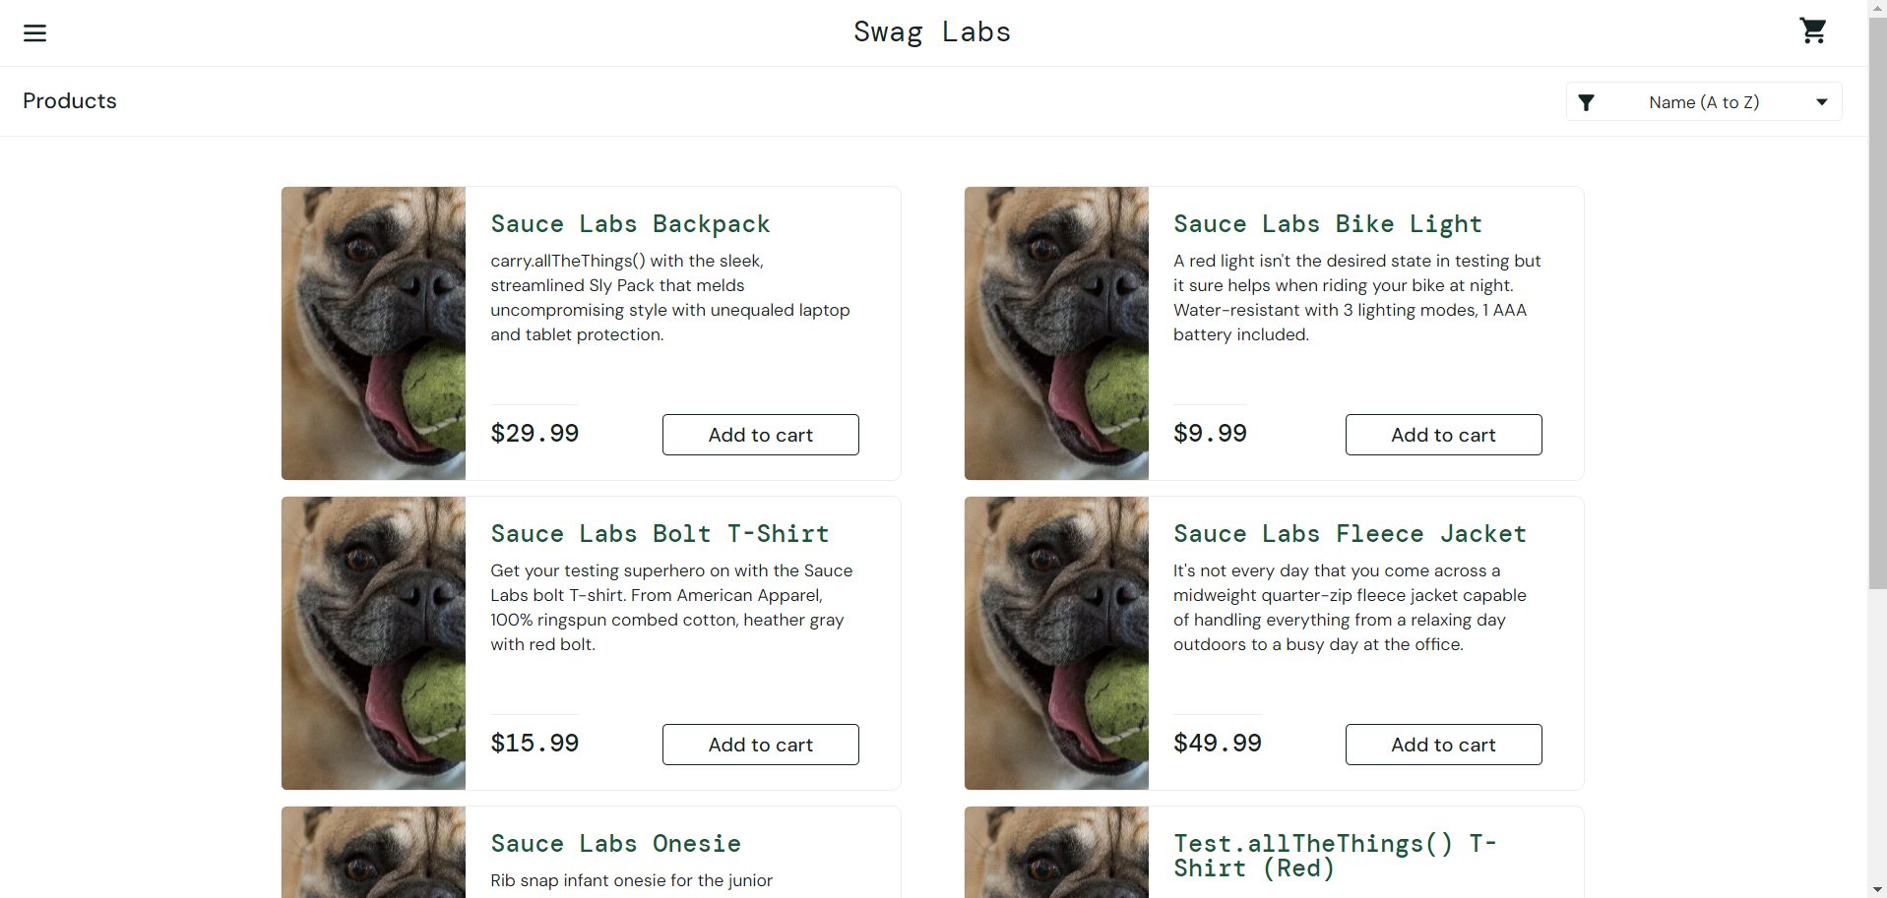
PU_BUG_0003 | TC_SI_0001 TC_SI_0002 TC_SI_0003 TC_SI_0004 | All sort functions are not working except default (A-Z) | 1. Go to product list or home page 2. Click the sort item button on the top right side of the page 3. Select the type of sort function to execute | 1. Products should be sorted accordingly | 1. Products failed to be sorted in ascending order | Minor | P2 (Low)
PU_BUG_0004 | TC_ARI_0001 | The following items from product list view page can't be added to cart: 1. Sauce Labs Bolt T-Shirt 2. Sauce Labs Fleece Jacket 3. Test.allTheThings() T-Shirt (Red) | 1. Go to product list page or homepage 2. Choose item/s to add 3. Click the "Add to cart" button | 1. Item should be added into shopping cart 2. "Add to cart" button should be updated to "Remove" button 3. Shopping cart counter label should increase when items are added | 1. Some items failed to be added into cart. 2. Add to cart button on some product items are not responding. 3. Shopping cart counter label increases when item is added to cart | Critical | P0 (Critical) | 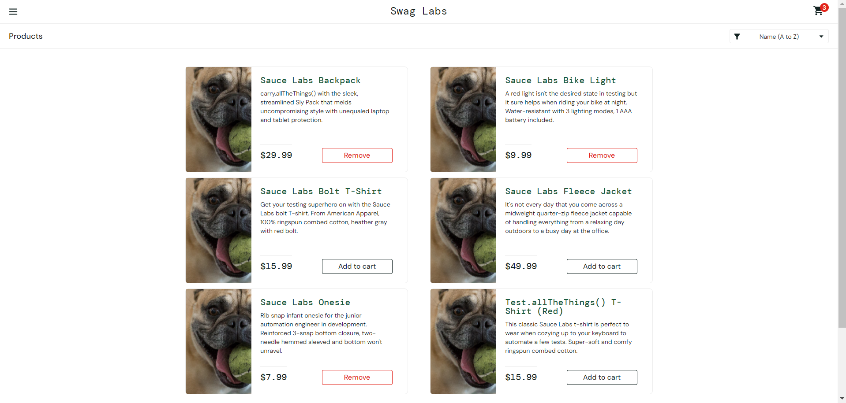
PU_BUG_0005 | TC_ARI_0002 | All items can't be added to cart in View Full Product Details Page | 1. Go to product list page or homepage 2. Choose item to add by clicking the product name or product image 3. Click the "Add to cart" button | 1. User should be directed to this url: https://www.saucedemo.com/inventory-item.html?id=4, where "id" refers to the product id 2. Item should be added into shopping cart 3. "Add to cart" button should be updated to "Remove" button 4. Shopping cart counter label should increase when items are added | 1. User is directed to view product details page 2. Items can't be added to cart | Critical | P0 (Critical)
PU_BUG_0006 | TC_ARI_0003 TC_ARI_0004 | All items added to cart can't be removed from product list page and view full product details page | 1. Go to product list page and view full product details page 2. Choose item to remove 3. Click the "Remove" button | 1. Item should be removed from the shopping cart 2. Shopping cart counter label should decrease if item(s) is removed 3. "Remove" button must also be reverted back to "Add to cart" state 4. Shopping cart should be empty if all items are removed | 1. Items added to cart can't be removed from Product list page and view full product details page | Critical | P0 (Critical)
PU_BUG_0008 | TC_CO_0001 | Checkout process continues despite cart is empty | 1. Click the shopping cart icon on the top right part of the navigation bar 2. Click "Checkout" button | 1 .User should not be able to proceed to Checkout: Your Information page | 1. User was able to proceed to Checkout: Your Information even if cart is empty. | Critical | P0 (Critical)
PU_BUG_0009 | TC_CO_0002 TC_CO_0003 TC_CO_0004 TC_CO_0005 TC_CO_0006 | Data typed in Last name field is transfered to the First name field | Each test case has unique steps, please refer to the test case results document. | Each test case has unique results, please refer to the test case results document. | Each test case has unique results, please refer to the test case results document. | Critical | P0 (Critical)

error_user
Bug ID | Test Case ID | Description | Steps to reproduce | Expected Result | Actual Result | Severity | Priority | Screenshot
EU_BUG_0001 | TC_VPD_0001 TC_VPD_0002 TC_VPD_0003 | Product description in View full product details page is missing | 1. Go to product list page or homepage 2. Choose a product to view click the product image or product name | 1. User should be directed to this url: https://www.saucedemo.com/inventory-item.html?id=4, where "id" refers to the product id. 2. Product details (image, product name, description and price) displayed on the "View Full Product Details" page should match the details of the product clicked. | 1. Product description is missing. | Minor | P1 (Medium) | 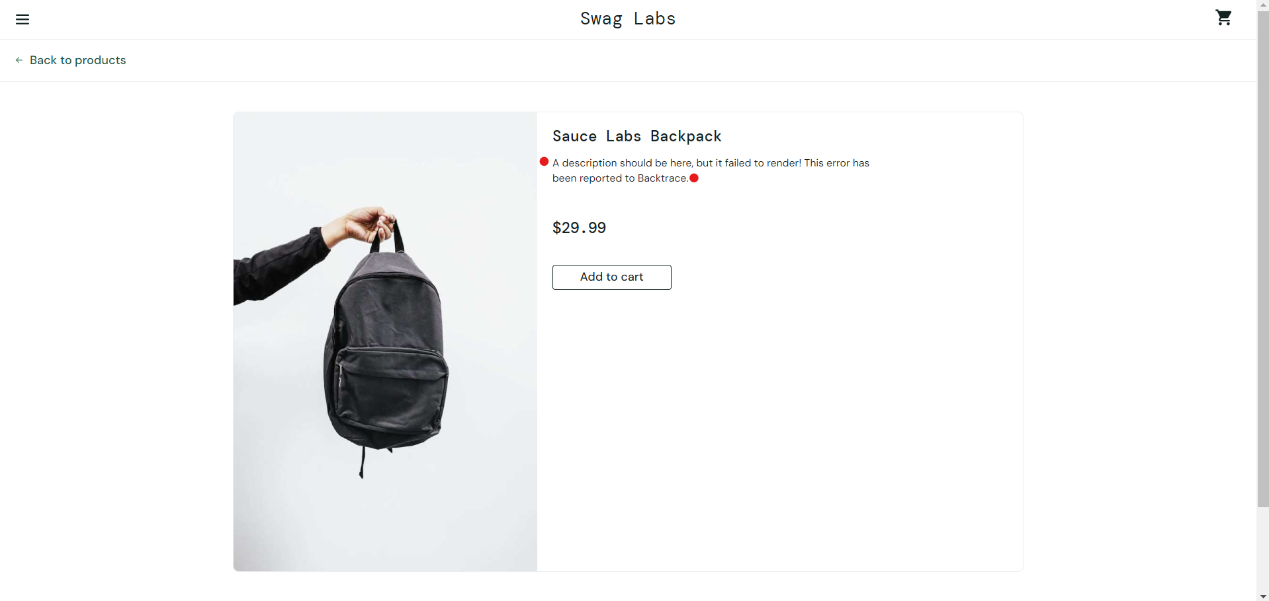
EU_BUG_0002 | TC_SI_0001 TC_SI_0002 TC_SI_0003 TC_SI_0004 | All sort functions are not working. | 1. Go to product list or home page 2. Click the sort item button on the top right side of the page 3. Select type of sort function to execute | 1. Products should be sorted accordingly | 1. Products failed to be sorted | Minor | P2 (Low) | 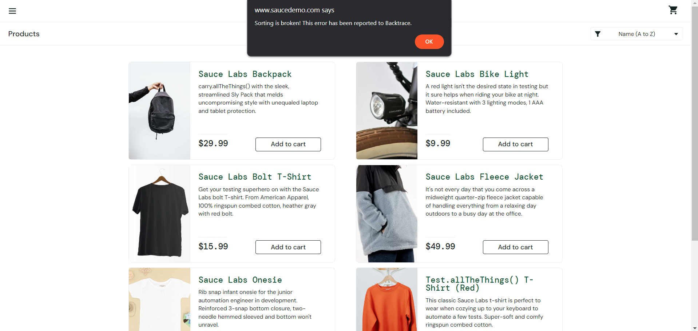
EU_BUG_0003 | TC_ARI_0001 TC_ARI_0002 | The following items from product list view and view full product details page can't be added to cart: 1. Sauce Labs Bolt T-Shirt 2. Sauce Labs Fleece Jacket 3. Test.allTheThings() T-Shirt (Red) | 1. Go to product list page and view full product details page 2. Choose item/s to add 3. Click the "Add to cart" button | 1. Item should be added into shopping cart 2. "Add to cart" button should be updated to "Remove" button 3. Shopping cart counter label should increase when items are added | 1. Some items failed to be added into cart. 2. Add to cart button on some product items are not working 3. Shopping cart counter label increases when item is added to cart | Major | P1 (Medium)
EU_BUG_0004 | TC_ARI_0003 TC_ARI_0004 | All items added to cart can't be removed from product list view and view full product details page | 1. Go to product list page or homepage 2. Choose item to remove 3. Click the "Remove" button | 1. Item should be removed from the shopping cart 2. Shopping cart counter label should decrease if item(s) is removed 3. "Remove" button must also be reverted back to "Add to cart" state 4. Shopping cart should be empty if all items are removed | 1. All items added to cart can't be removed from Product list page and View full product details page | Major | P1 (Medium)
EU_BUG_0005 | TC_CO_0001 | Checkout process was able to proceed even cart is empty | 1. Click the shopping cart icon on the top right part of the navigation bar 2. Click "Checkout" button | 1 .User should not be able to proceed to Checkout: Your Information page | 1. User was able to proceed to Checkout: Your Information even if cart is empty. | Minor | P1 (Medium)
EU_BUG_0006 | TC_CO_0002 | Checkout process was able to proceed despite Last name field not accepting data input | 1. Click the shopping cart icon on the top right part of the navigation bar 2. Click "Checkout" button 3. Fill out the form(Checkout: Your Information) using test data 4. Click "Continue" 5. Verify Checkout: Overview information and click "Finish" | 1. User shall be directed to the shopping cart page 2. User shall be directed to Checkout: Your Information page 3. System shall accept only valid data type inputs: First name(string), Last name(string), ZIP Code(int) 4. User shall be directed to Checkout: Overview page 5. User shall be directed to Checkout: Complete! page | 1. User was directed to the shopping cart page 2. User was directed to Checkout: Your Information page 3. Last name field does not accept any data input. 4. User was directed to Checkout: Overview page 5. User was directed to Checkout: Complete! page | Major | P0 (Critical)
EU_BUG_0007 | TC_CO_0003 | Checkout process was able to proceed despite Last name field not accepting data input | 1. Click the shopping cart icon on the top right part of the navigation bar 2. Click "Checkout" button 3. Fill out the form(Checkout: Your Information) using test data 4. Click "Continue" | 1. System should reject invalid inputs from all input fields. | 1. System accepted invalid data inputs on First name and Zip code 2. Last name input field does not accept data inputs | Major | P0 (Critical)
EU_BUG_0008 | TC_CO_0005 | Checkout process was able to proceed despite Last name field not accepting data input | 1. Click the shopping cart icon on the top right part of the navigation bar 2. Click "Checkout" button 3. Fill out the form(Checkout: Your Information) using test data 4. Click "Continue" | 1. Empty strings or blank inputs will throw an error: Error: Last Name is required 2. Checkout process will not continue | 1. System accepted empty last name field 2. System did not display the error message 3. Checkout process continued | Major | P0 (Critical)
EU_BUG_0009 | TC_CO_0006 | Last name field not accepting inputs, Test case cant be executed properly | 1. Click the shopping cart icon on the top right part of the navigation bar 2. Click "Checkout" button 3. Fill out the form(Checkout: Your Information) using test data 4. Click "Continue" | 1. Empty strings or blank inputs will throw an error: Error: Zip/Postal code is required 2. Checkout process will not continue | 1. System displayed the error message: Error: Zip/Postal code is required 2. Last name field does not accept data input 3. Checkout process failed to continue. | Major | P0 (Critical)

visual_user
Bug ID | Test Case ID | Description | Steps to reproduce | Expected Result | Actual Result | Severity | Priority | Screenshot
VU_BUG_0001 | Not applicable (All pages are affected) | Shopping cart icon is misplaced. | 1. Open application URL (https://www.saucedemo.com) in any supported browser. 2. Log-in using user credentials | 1. User should logged-in and shall be directed to the product listing page | 1. User should logged-in and shall be directed to the product listing page | Minor | P2 (Low) | 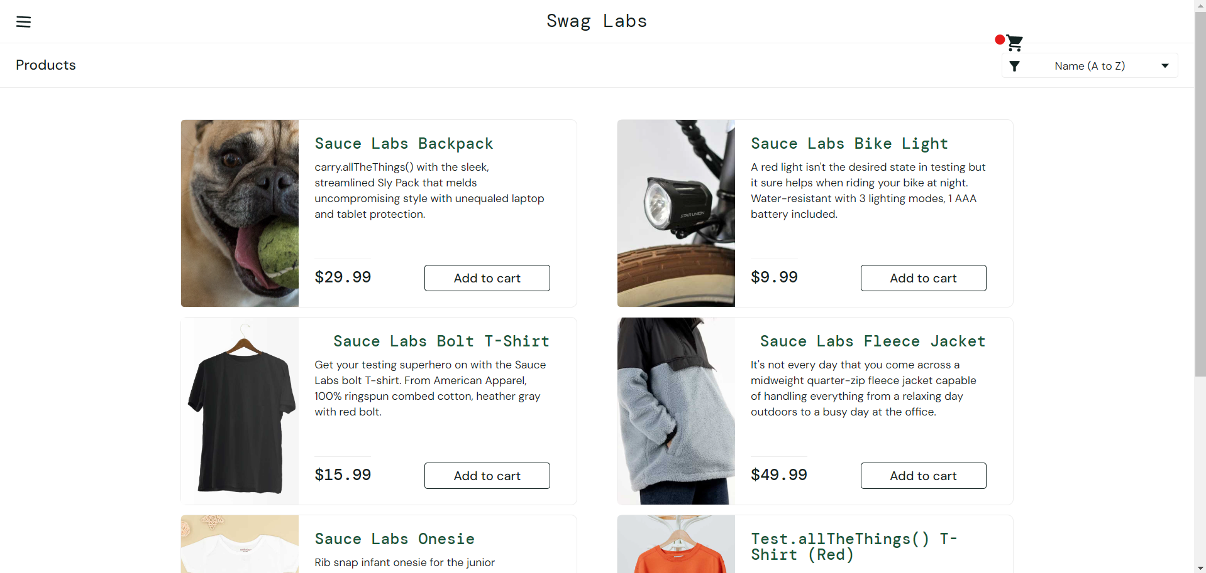
VU_BUG_0002 | TC_VPD_0001, TC_VPD_0002, TC_VPD_0003, TC_VPD_0004 | Product image of the top left product container displays a dog image. | 1. Open application URL (https://www.saucedemo.com) in any supported browser. 2. Log-in using user credentials | 1. User should logged-in and shall be directed to the product listing page | 1. User should logged-in and shall be directed to the product listing page | Minor | P2 (Low) | 
VU_BUG_0003 | TC_SI_0001, TC_SI_0002, TC_SI_0003, TC_SI_0004 | When using the sort function, the product image of the top left product container displays a dog image. All sort functions are affected. | 1. Go to product list or home page 2. Click the sort item button on the top right side of the page and select which sort function to execute (A-Z), (Z-A), (low-high), (high-low) | Product should be sorted accordingly together with the right product details | Products are sorted but the top left product image of an item displays a dog image. | Minor | P2 (Low) | 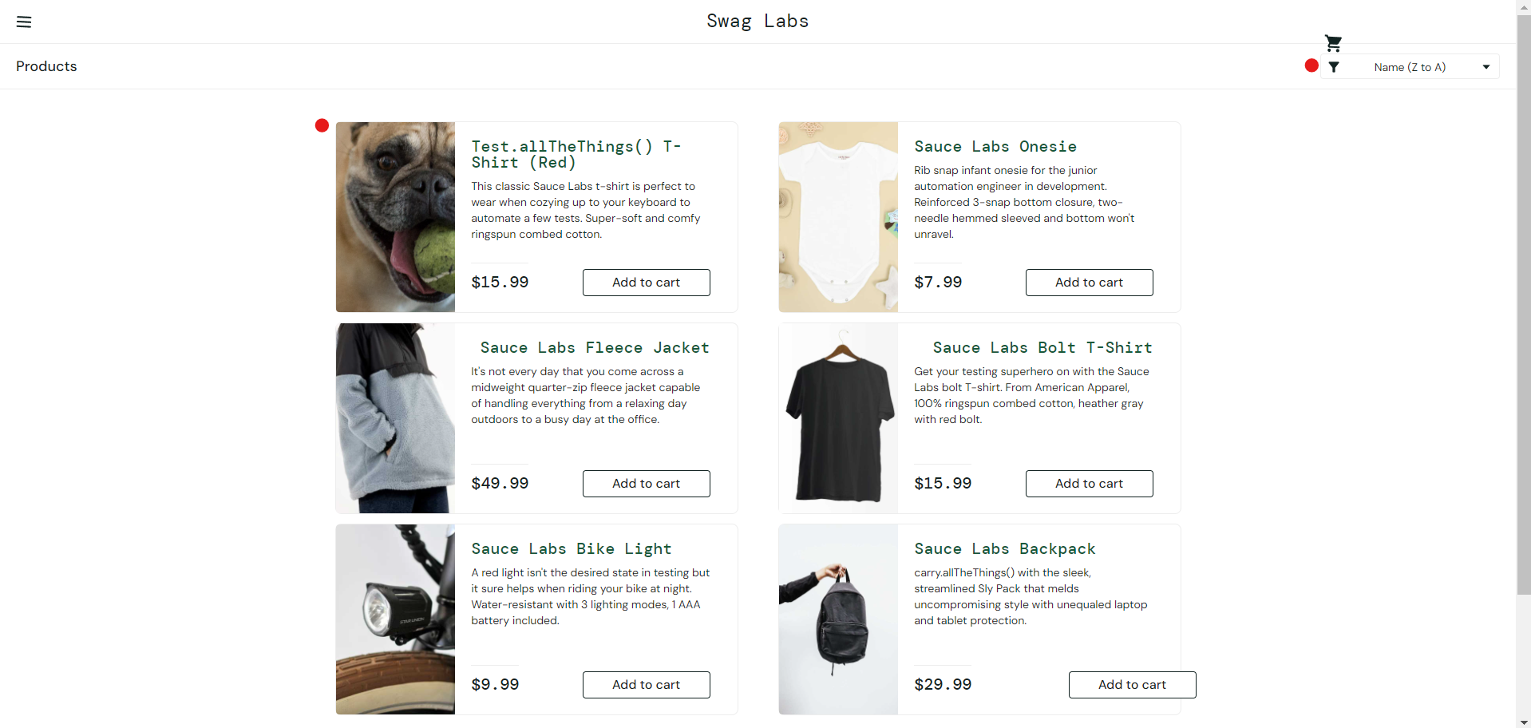
VU_BUG_0004 | TC_ARI_0001 TC_ARI_0002 TC_ARI_0003 TC_ARI_0004 TC_ARI_0005 | Add to cart button of the bottom right product container is misaligned. | 1. Go to product list or home page | Add to cart button on all product containers must be aligned properly | Add to cart button of the bottom right product container is misaligned. | Minor | P2 (Low) | 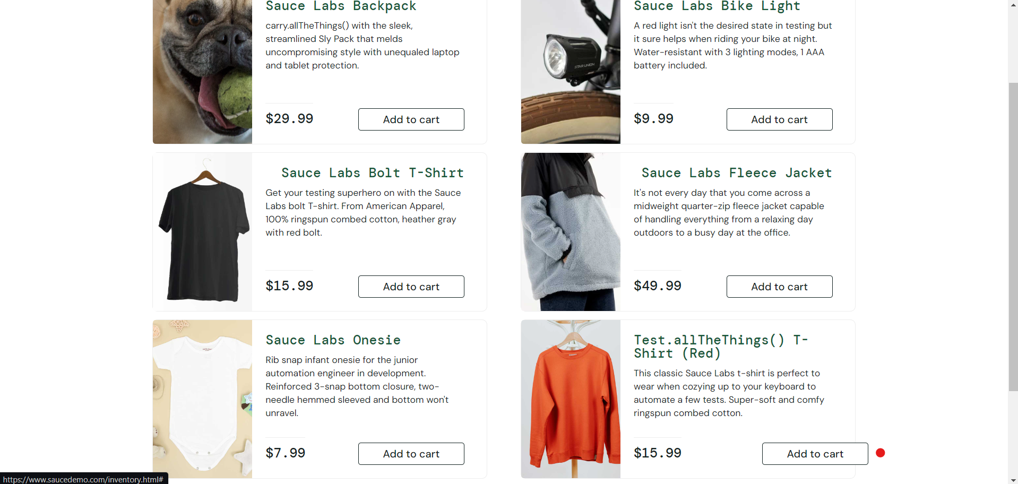
VU_BUG_0005 | TC_CO_0001 | User was able to proceed with the checkout process. | 1. Click the shopping cart icon on the top right part of the navigation bar 2. Click "Checkout" button | 1 .User should not be able to proceed to Checkout: Your Information page | 1. User was able to proceed to Checkout: Your Information even if cart is empty. | Minor | P2 (Low)
VU_BUG_0006 | TC_CO_0003 | System accepted invalid data inputs and user was able to proceed with the checkout process | 1. Click the shopping cart icon on the top right part of the navigation bar 2. Click "Checkout" button 3. Fill out the form(Checkout: Your Information) using test data 4. Click "Continue" | 1. System shall reject invalid inputs from all input fields. 2. System shall display error message | 1. System accepted invalid data inputs 2. System did not display error message | Minor | P2 (Low)

